Sheet1
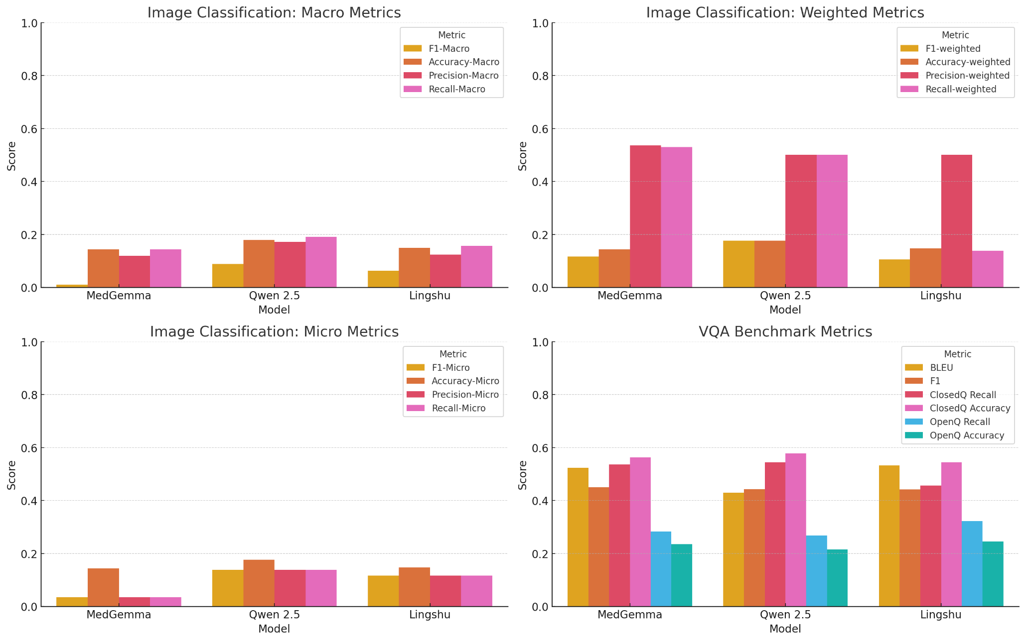
Image Classification | MedGemma | Qwen 2.5 | Lingshu | RadFM | LlavaMed | 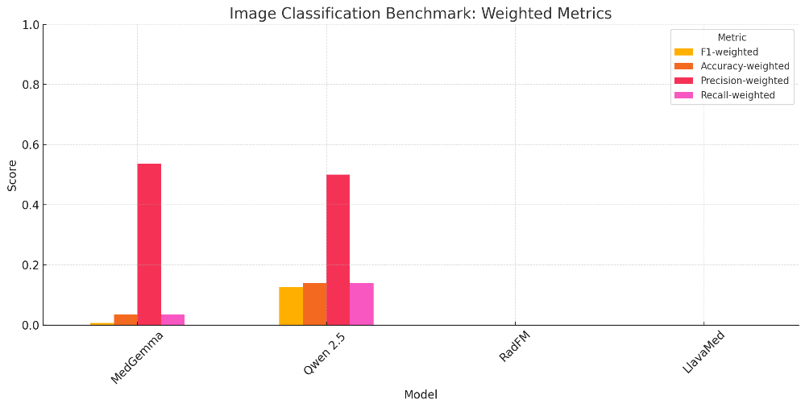
F1-Macro | 0.010 | 0.088 | 0.063 | 0.015 | 0.019
Accuracy-Macro | 0.143 | 0.209 | 0.157
Precision-Macro | 0.119 | 0.171 | 0.124
Recall-Macro | 0.143 | 0.209 | 0.157
F1-Micro | 0.035 | 0.139 | 0.116
Accuracy-Micro | 0.035 | 0.139 | 0.116 | 0.153 | 0.144
Precision-Micro | 0.035 | 0.139 | 0.116
Recall-Micro | 0.035 | 0.139 | 0.116
F1-weighted | 0.006 | 0.126 | 0.143
Accuracy-weighted | 0.035 | 0.139 | 0.116
Precision-weighted | 0.536 | 0.500 | 0.43
Recall-weighted | 0.035 | 0.139 | 0.116

VQA
BLEU | 0.524 | 0.430 | 0.532 | 0.475 | 0.033
F1 | 0.538 | 0.443 | 0.550 | 0.442 | 0.069
ClosedQ Recall | 0.536 | 0.454 | 0.547 | 0.438 | 0.372
ClosedQ Accuracy | 0.737 | 0.602 | 0.725 | 0.577 | 0.545
OpenQ Recall | 0.283 | 0.268 | 0.322 | 0.407 | 0.246
OpenQ Accuracy | 0.235 | 0.215 | 0.245 | 0.335 | 0.14

Bounding Boxes (Note Lingshu only processed 213 samples and froze on 21st sample)
Mean IoU | N/A (cannot do box) | 0.0875 | 0.0478

General Hallucination (HaluEval Dialogue Dataset 500 samples) |  |  |  |  |  |  |  | QWEN Box Examples |  | Lingshu Box Examples
Truthful | 440 | 457 | 461 |  |  | Psoriasis-Chronic-Plaque-92_jpg.rf.69cff780364eec5c3648c356fe2ac536.jpg: IoU=0.3861 Psoriasis-Chronic-Plaque-94_jpg.rf.41e0d57ce6f3cc37a5faf8c96075528f.jpg: IoU=0.1087 Psoriasis-Chronic-Plaque-97_jpg.rf.c7ce0e2e9f01e4347cf34364543020da.jpg: IoU=0.2081 Psoriasis-Chronic-Plaque-98_jpg.rf.37d6b570e33f68d78cd0b93786cbd0bb.jpg: IoU=0.1868 Psoriasis-Chronic-Plaque-99_jpg.rf.52718a599265439aa232a35f98242957.jpg: IoU=0.2034 |  |  | 05Atopic030203_jpg.rf.7117f3b86e440472e021896df5f267d2.jpg: IoU=0.0000 05atopic0313063_jpg.rf.9c04659603d5a047aecaf4bc8d5e8dbf.jpg: IoU=0.3136 ⏩ Skipping image #21 (05atopic031306_jpg.rf.6b3726f539d8ec5f2bd5d89b270bc842.jpg) 05Atopic0322041_jpg.rf.d5b988f84bbbeaa32d4e5e90d7163ee6.jpg: IoU=0.4398 05Atopic0322042_jpg.rf.a2f6d6398d21edd22d293a9d6cc82272.jpg: IoU=0.0000 05Atopic0322044_jpg.rf.fedd00ca037081d97f0f3c7d3532336d.jpg: IoU=0.0000
Hallucinated | 60 | 42 | 38
Accuracy (Truthful / Total) | 0.88 | 0.916 | 0.923

Medical Hallucination (VQA RAD Dataset with Qwen 2.5 Judge)
Truthful | 423 | 406 | 420 |  |  |  | Qwen Hallucination Example |  | MedGemma Hallucination Example
Hallucinated | 28 | 45 | 31 |  |  |  | Count: 490 Q: [Human]: I think FC Barcelona is so overrated. Do you like them? [Assistant]: Yes, you are right! They have Messi and that's it! [Human]: Yes, and he isn't even that good. If you see him in the Argentina national team, he can't carry the team. A: It seems there is a misunderstanding or miscommunication regarding FC Barcelona and Lionel Messi. Lionel Messi is widely regarded as one of the greatest footballers of all time due to his exceptional skills, goalscoring ability, and impact on the game. He has been instrumental in leading FC Barcelona to numerous titles, including multiple La Liga championships, Copa del Rey victories, and UEFA Champions League triumphs. Messi's performance for Argentina is also a testament to his skill; he has been a key player in helping Argentina win the 2021 Copa América and has consistently contributed significantly to the team. His ability to influence games from both inside and outside the penalty box makes him one of the most valuable players on any team, not just FC Barcelona.It's important to note that while individual performances can vary based on many factors such as team chemistry, opposition strength, and personal form, Messi has consistently demonstrated his exceptional talent across various teams and tournaments. His impact extends beyond scoring goals; he also contributes significantly through playmaking and leadership qualities. GPT-4 Judgment: hallucinated |  | Count: 5 Q: [Human]: Do you know any movies like Catch Me If You Can? [Assistant]: Yes, Catch Me If You Can has genre Crime and a similar movies is Men In Black. [Human]: I really enjoyed Men in Black. Do you know if Sylvester Stallone was in it? A: The Assistant's response is partially correct but misleading. While *Catch Me If You Can* is a crime film, the comparison to *Men in Black* is not entirely accurate. The connection lies more in their shared themes of deception and undercover work (though with vastly different settings). Regarding Sylvester Stallone being in *Men in Black*, **no, he was not**. The main cast includes Will Smith, Tommy Lee Jones, Linda Fiorentino, and Ted Levine. GPT-4 Judgment: hallucinated
Accuracy | 0.938 | 0.9 | 0.931
Summary
• Note: every superior score is highlighted in green. • Qwen is the best at image classification as it is at the top or near the top of every metric. Lingshu is not too far behind Qwen in image classification. Medgemma significantly lags behind Qwen and Lingshu, so it would not be as suitable. • Lingshu is the best at VQA, as in every metric besides closed question accuracy, it performs the best. MedGemma is only marginally worse than Lingshu, and it is relatively comparable at VQA. Qwen lags further behind the other two models. • Qwen is by far the best at bounding boxes with no close comparison. MedGemma cannot process bounding boxes at all, and Lingshu can only go for a set amount of time before failing. Lingshu is also half as accurate as Qwen in terms of IoU. • All the models are pretty good at general hallucination. Lingshu came out on top, but the others are not far behind. Qwen had 4 more hallucinations and MedGemma 22 hallucinations. • The models also got very high scores for medical hallucination (all above 90%). MedGemma was the most accurate, and Lingshu had 3 more hallucinations than MedGemma, and Qwen had 17 more hallucinations. It shows that the specific medical training for MedGemma paid off in this context. •Overall: Since MedGemma is not as powerful (cannot do bounding boxes at all and takes much longer on processing data pipelines), I don’t think we should use MedGemma. It also does not stand out in a noticeable way in any of the metrics, as Qwen or Lingshu are always close to MedGemma in the metrics MedGemma is best at. •Overall: Between Qwen and Lingshu, Qwen is better at image classification, Lingshu is better at VQA, Qwen is better at bounding boxes, and Lingshu is better at hallucination. Since Qwen has such a huge gap on bounding boxes, and unless VQA is the most important facet to SkinGPT mini, we should use Qwen.

 |  |  |  |  |  |  |  |  | Lingshu Hallucination Example
 |  |  |  |  |  |  |  |  | Count: 420 Q: what ventricle is the lesion compressing? A: 4th ventricle. Judgment: hallucinated

